Sheet2
Cost Data
 | Production | Sustainment
Stryker | 4.9 million |  | Wikipedia
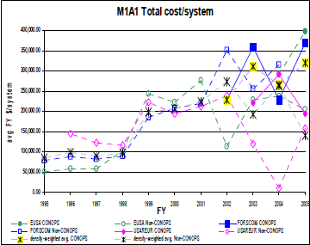
LAV
UAV
PIM |  |  |  |  | 1782000
Bradley | 3.166 million |  | http://www.fas.org/man/dod-101/sys/land/m2.htm |  | 254571.42857
Abrams |  | 254,571 |  | http://www.dtic.mil/cgi-bin/GetTRDoc?AD=ada484375
Apache

